PPM Prod
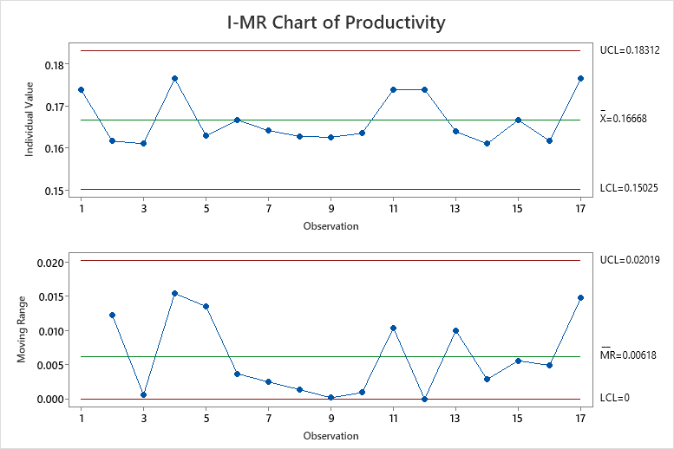
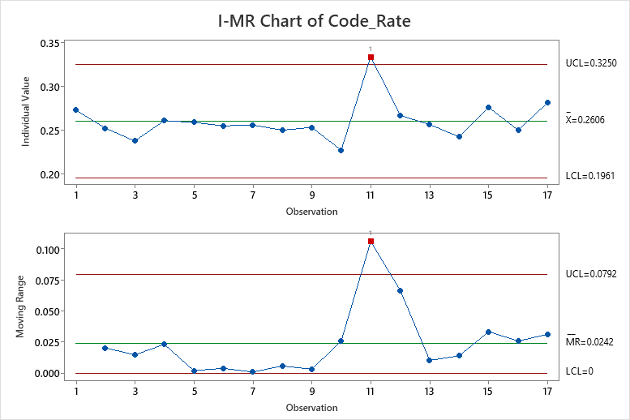
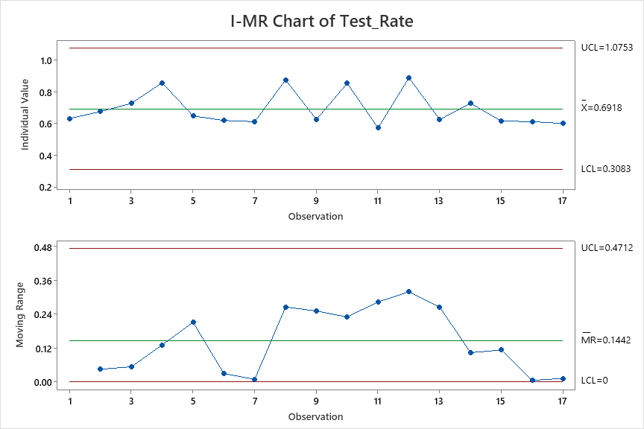
Productivity | Code_Rate | Test_Rate
0.174 | 0.273 | 0.632
0.162 | 0.252 | 0.675
0.161 | 0.238 | 0.727
0.176 | 0.261 | 0.857
0.162 | 0.226 | 0.846
0.182 | 0.276 | 1.000
0.163 | 0.259 | 0.647
0.167 | 0.255 | 0.619
0.164 | 0.256 | 0.611
0.163 | 0.250 | 0.875
0.163 | 0.253 | 0.625
0.164 | 0.227 | 0.854
0.174 | 0.333 | 0.571
0.174 | 0.267 | 0.889
0.164 | 0.256 | 0.625
0.161 | 0.242 | 0.727
0.167 | 0.276 | 0.615
0.162 | 0.250 | 0.611
0.176 | 0.281 | 0.600

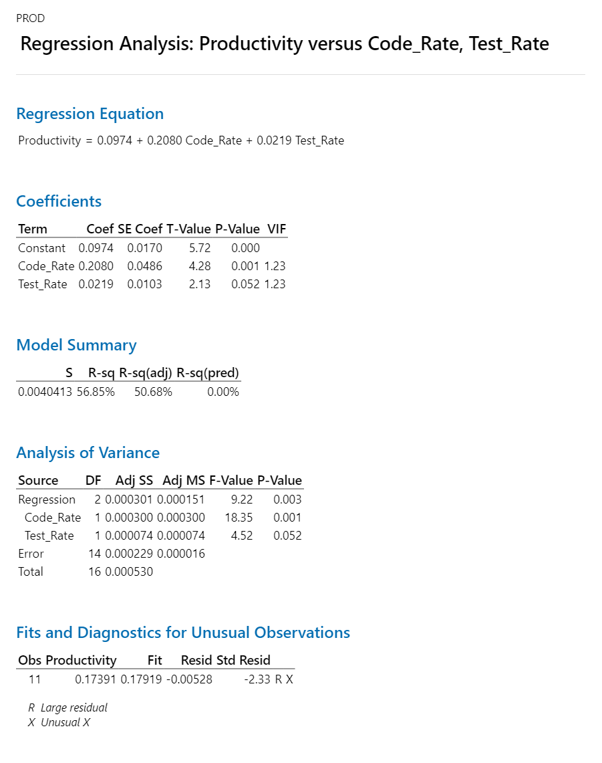

 |  |  | Regression Equation
 |  |  | Productivity | = | 0.0974 + 0.2080 Code_Rate + 0.0219 Test_Rate

 |  |  |  |  | AS-IS | Productivity | Code_Rate | Test_Rate
 |  |  |  |  | Mean | 0.1668 | 0.2606 | 1.0753 |  | 5.9952038369
 |  |  |  |  | SD | 0.005 | 0.021 | 0.064
 |  |  |  |  | UCL | 0.18312 | 0.325 | 0.6918 |  | 5.4608999563
 |  |  |  |  | LCL | 0.15025 | 0.1961 | 0.3083 |  | 6.6555740433

 |  |  |  |  | Target | Productivity
 |  |  |  |  | Mean | 0.18 |  | 0.01668 | mean | 5.4501853063
 |  |  |  |  | SD | 0.05 |  |  | ucl | 0.172
 |  |  |  |  |  |  |  |  | lcl | 0.138
 |  |  |  |  | What if | Productivity | Code_Rate | Test_Rate | sd | 0.051666666667
 |  |  |  |  | Mean | 0.17929 | 0.32 | 0.7
 |  |  |  |  | SD | 0.050 | 0.050 | 0.050
 |  |  |  |  | USL | 0.32929 | 0.47 | 0.85
 |  |  |  |  | LSL | 0.02929 | 0.17 | 0.55

 |  |  |  |  | Action Plan
 |  |  |  | 1 | How to Improve Code Rate
 |  |  |  | 2 | How to Improve Test Rate

 |  |  |  | 1. Outlier Analysis

 |  |  |  | 2. Action Plan for Improvement

PPM CT
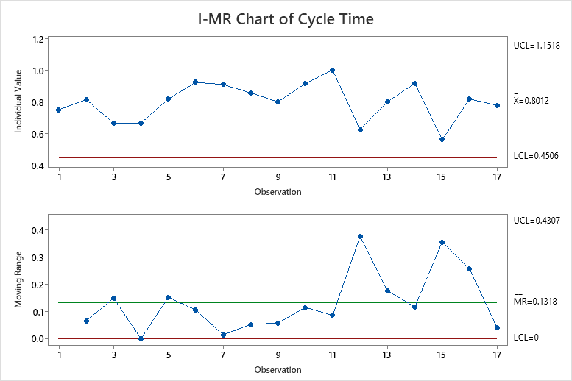
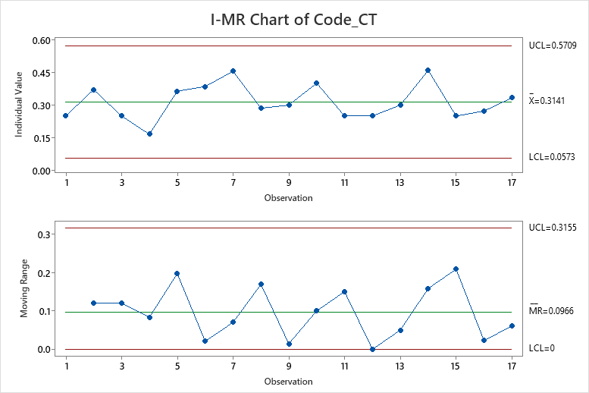
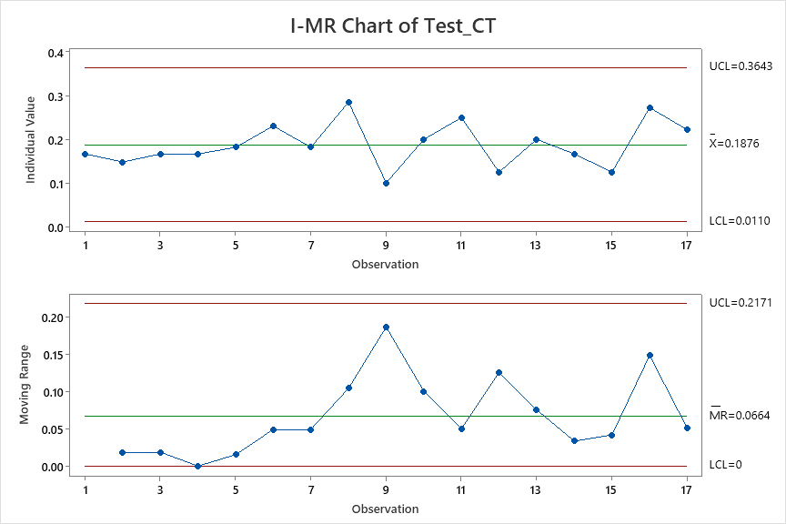
Cycle Time | Code_CT | Test_CT
0.75 | 0.25 | 0.16666666667
0.81481481481 | 0.37037037037 | 0.14814814815
0.66666666667 | 0.25 | 0.16666666667
0.66666666667 | 0.16666666667 | 0.16666666667
0.81818181818 | 0.36363636364 | 0.18181818182
0.92307692308 | 0.38461538462 | 0.23076923077
0.90909090909 | 0.45454545455 | 0.18181818182
0.85714285714 | 0.28571428571 | 0.28571428571
0.8 | 0.3 | 0.1
0.91428571429 | 0.4 | 0.2
1 | 0.25 | 0.25
0.625 | 0.25 | 0.125
0.8 | 0.3 | 0.2
0.91666666667 | 0.45833333333 | 0.16666666667
0.5625 | 0.25 | 0.125
0.81818181818 | 0.27272727273 | 0.27272727273
0.77777777778 | 0.33333333333 | 0.22222222222
13.620052633 | 5.3399424649 | 3.1898841899

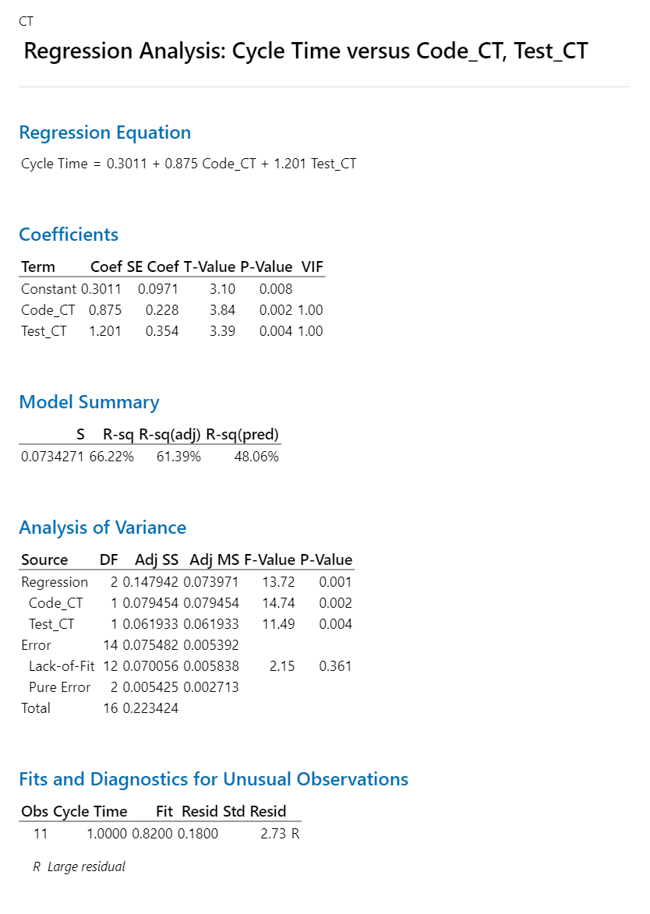

 |  |  | Regression Equation
 |  |  | Cycle Time | = | 0.3011 + 0.875 Code_CT + 1.201 Test_CT

 |  |  |  | AS-IS | Cycle time | Code_CT | Test_CT
 |  |  |  | Mean | 0.8012 | 0.3141 | 0.1876
 |  |  |  | SD | 0.117 | 0.086 | 0.059
 |  |  |  | UCL | 1.1518 | 0.5709 | 0.3643
 |  |  |  | LCL | 0.4506 | 0.0573 | 0.011

 |  |  |  | Target | Cycle time
 |  |  |  | Mean | 0.72108 |  | 0.08012
 |  |  |  | SD | 0.25

 |  |  |  | What if | Cycle time | Code_CT | Test_CT
 |  |  |  | Mean | 0.72402 | 0.25 | 0.17
 |  |  |  | SD | 0.25 | 0.1 | 0.5
 |  |  |  | USL | 1.47402 | 0.55 | 1.67
 |  |  |  | LSL | -0.02598 | -0.05 | -1.33

PPM DRE
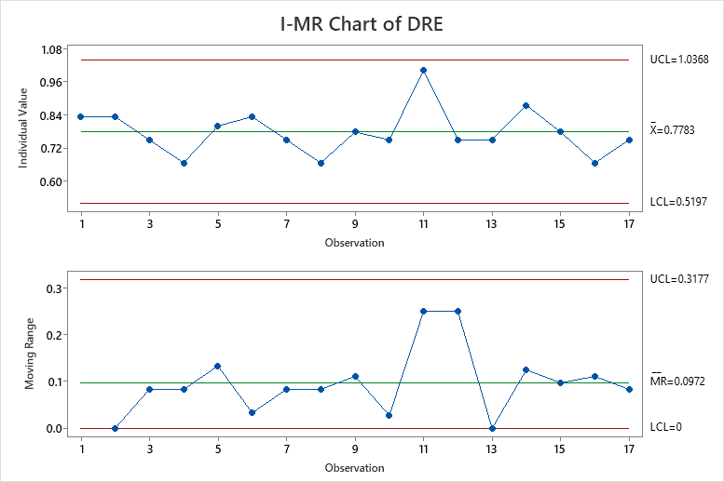
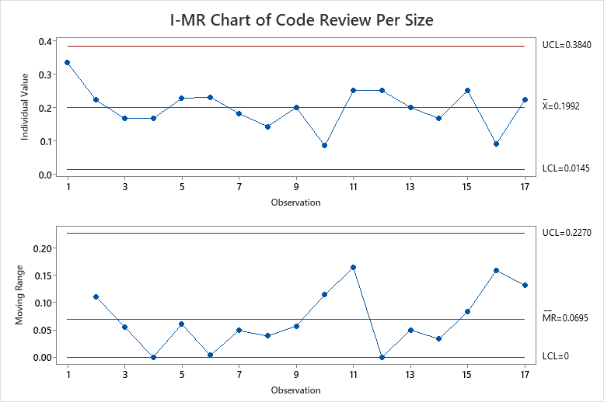
DRE | Code Review Per Size
0.83 | 0.33
0.83 | 0.22
0.75 | 0.17
0.67 | 0.17
0.80 | 0.23
0.83 | 0.23
0.75 | 0.18
0.67 | 0.14
0.78 | 0.20
0.75 | 0.09
1.00 | 0.25
0.75 | 0.25
0.75 | 0.20
0.88 | 0.17
0.78 | 0.25
0.67 | 0.09
0.75 | 0.22

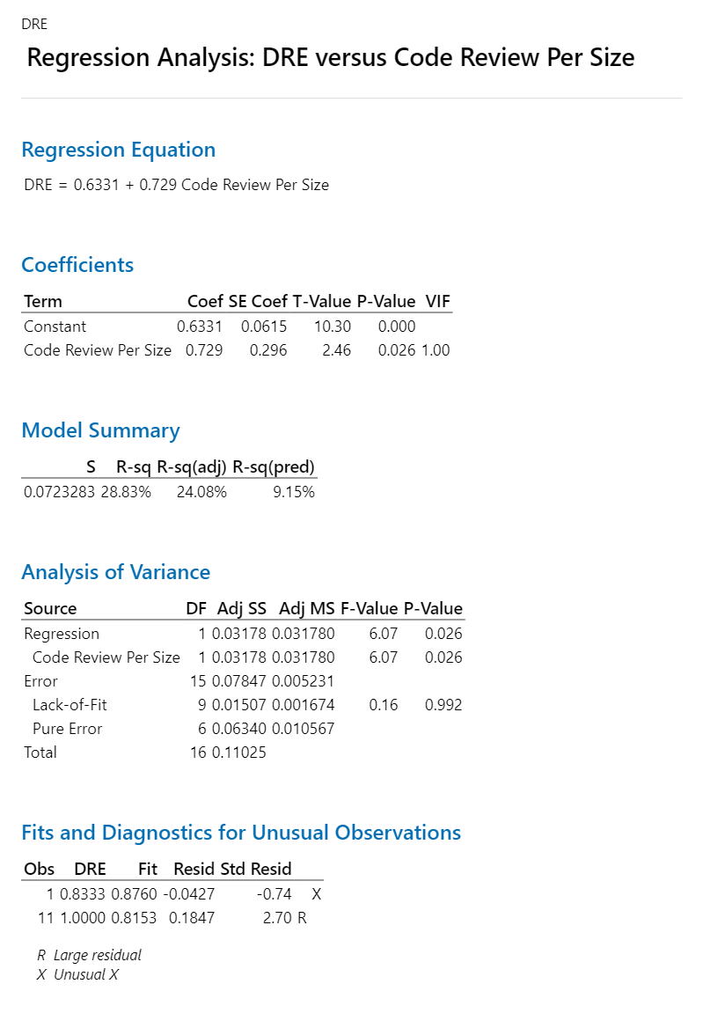

 |  | Regression Equation
 |  | DRE | = | 0.6331 + 0.729 Code Review Per Size

 |  | AS-IS | DRE | Code Review Per Size
 |  | Mean | 0.778 | 0.1992
 |  | SD | 0.086 | 0.062
 |  | UCL | 1.0368 | 0.384
 |  | LCL | 0.5197 | 0.0145

 |  | Target | DRE
 |  | Mean | 0.80 |  | 0.0389
 |  | SD | 0.10

 |  | What if | DRE | Code Review Per Size
 |  | Mean | 0.793 | 0.22
 |  | SD | 0.1 | 0.05
 |  | USL | 1.09348 | 0.37
 |  | LSL | 0.49348 | 0.07

